Simulation 1
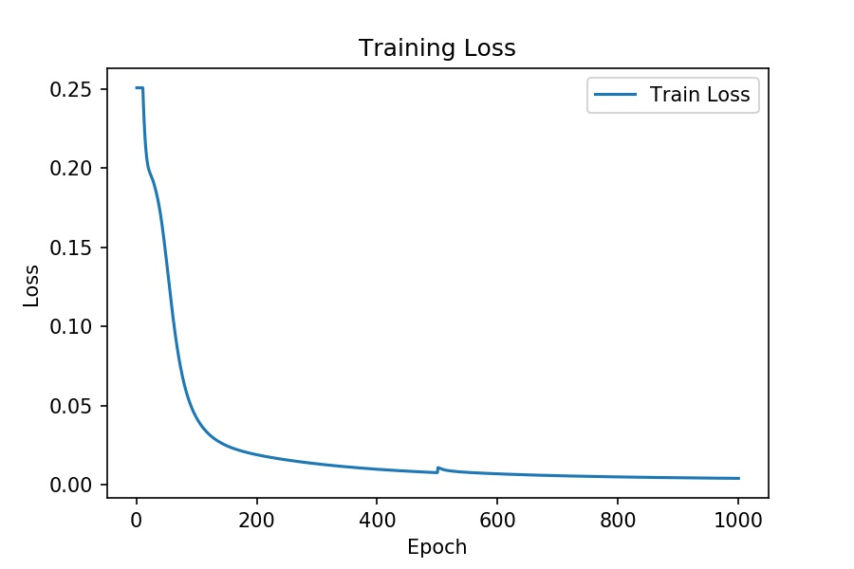
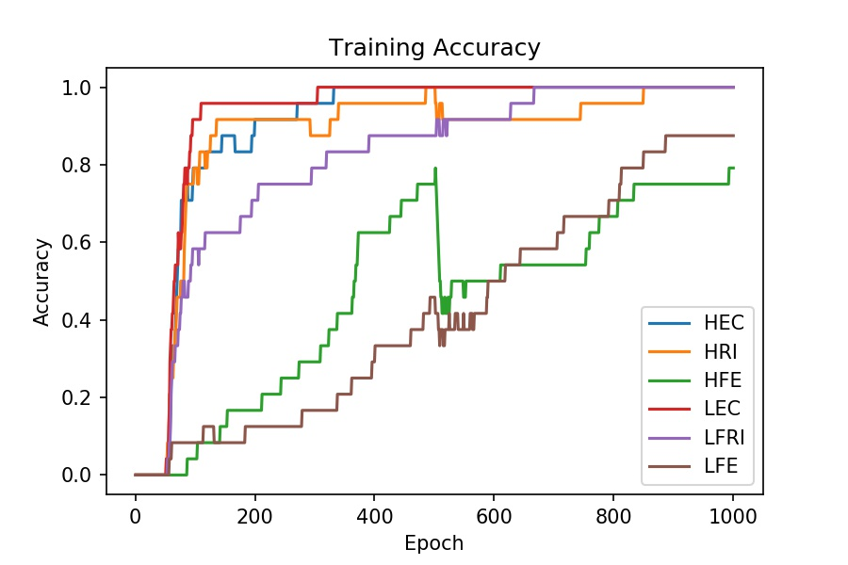
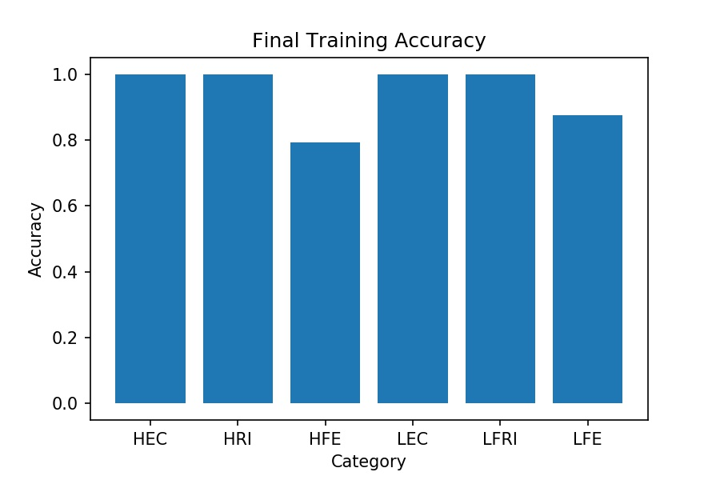
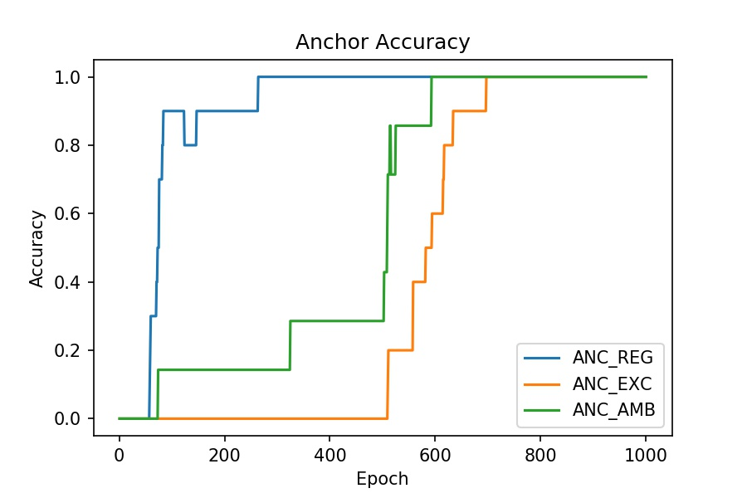
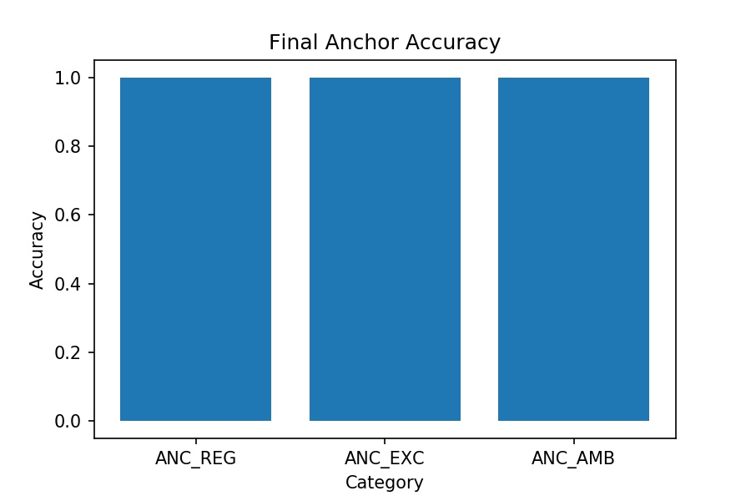
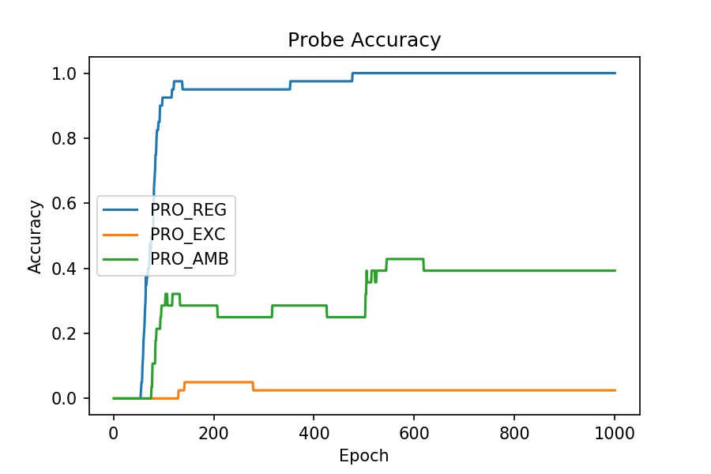
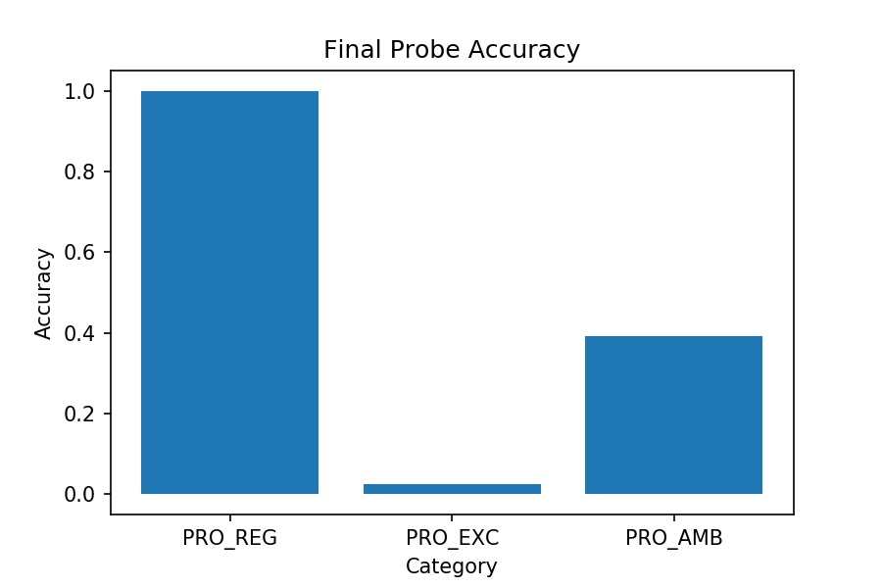
Simulation 1 | N
[part1] |  | [part2]
start = 0 |  | start = 10
optim = SGD |  | optim = Adam
lr = 0.001 |  | lr = 0.01
momentum = 0 |  | momentum = 0.9
wd = 0.000001 |  | wd = 0.000001

Simulation 2
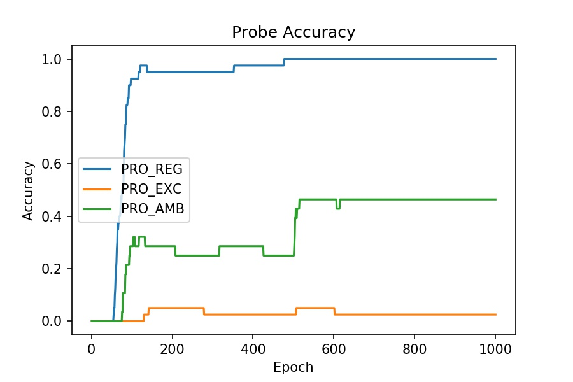
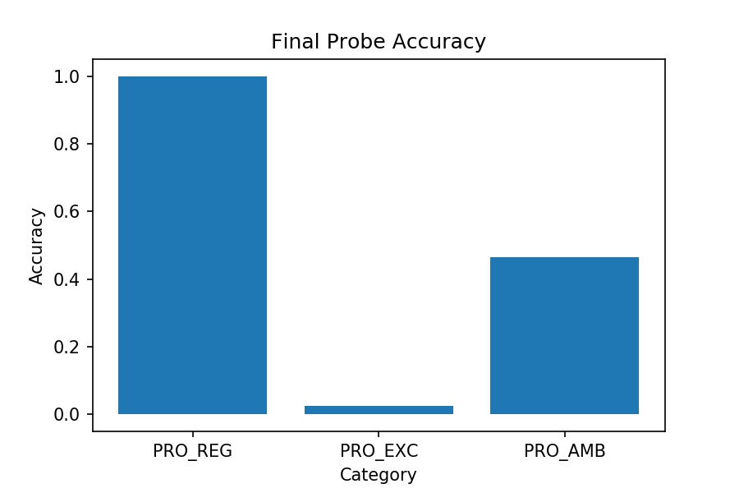
Simulation 3 | N/2
[part1] |  | [part2]
start = 0 |  | start = 10
optim = SGD |  | optim = Adam
lr = 0.001 |  | lr = 0.01
momentum = 0 |  | momentum = 0.9
wd = 0.000001 |  | wd = 0.000001
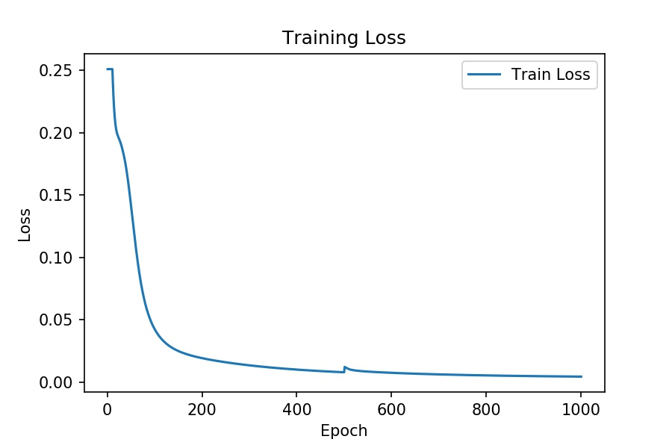

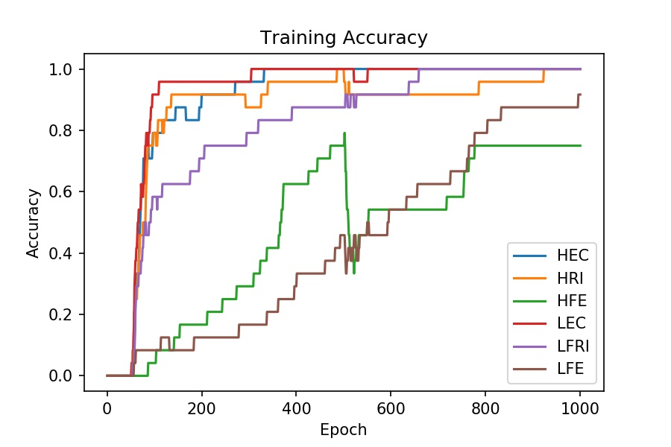


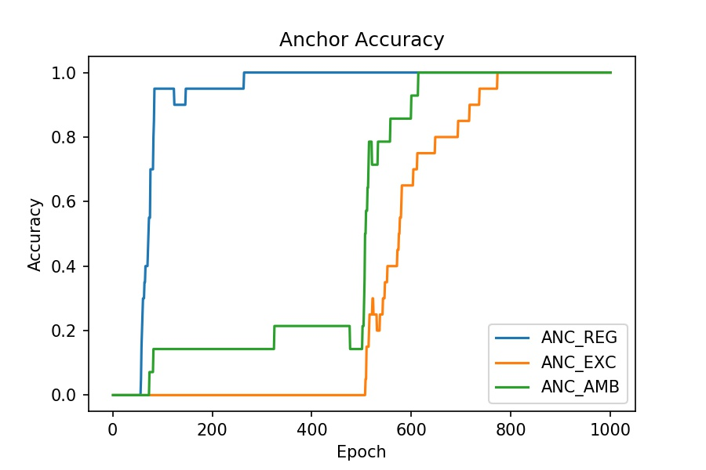

 |  |  | s

Simulation 3

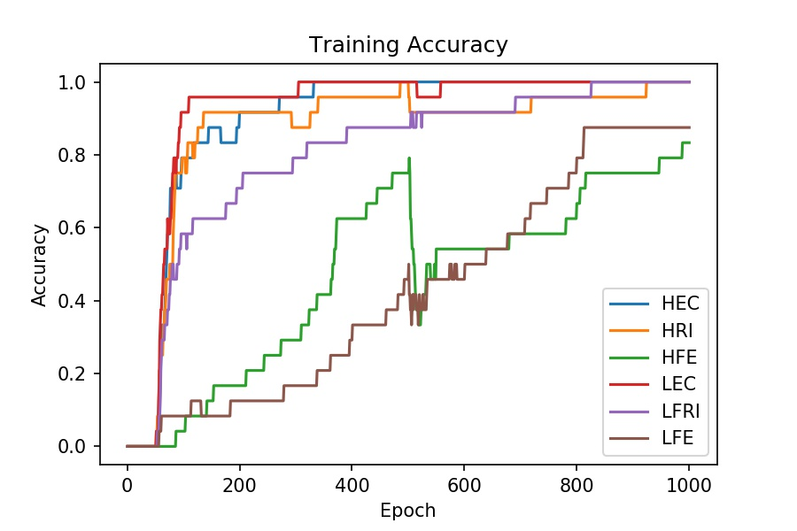
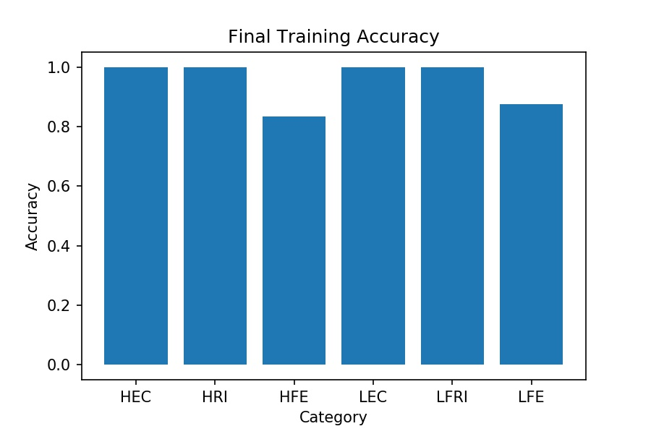
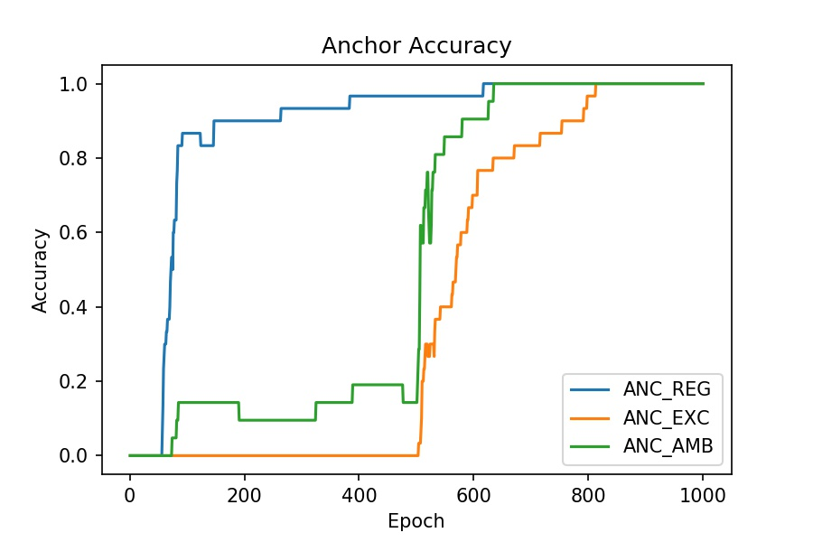
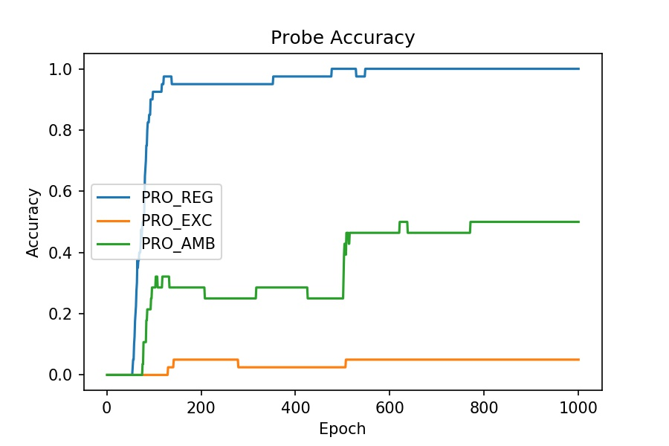
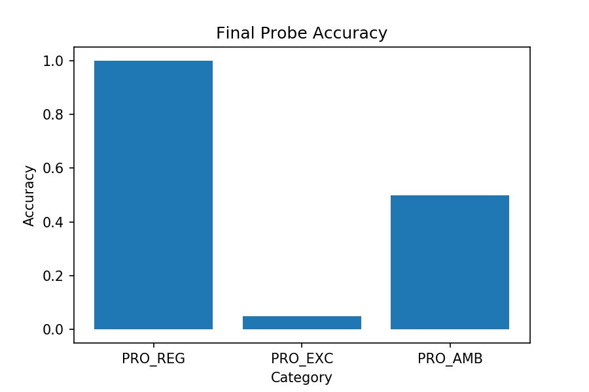
Simulation 3 | N/3
[part1] |  | [part2]
start = 0 |  | start = 10
optim = SGD |  | optim = Adam
lr = 0.001 |  | lr = 0.01
momentum = 0 |  | momentum = 0.9
wd = 0.000001 |  | wd = 0.000001

